Results
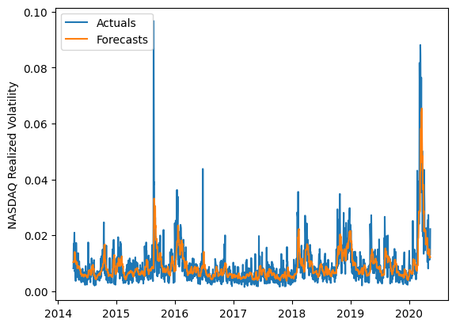
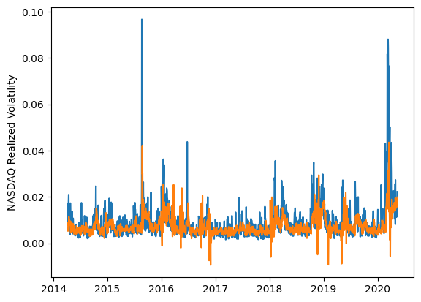
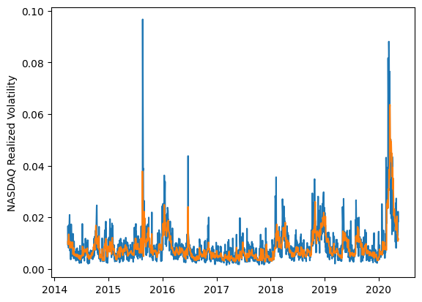
 | LSTM |  |  | TCN |  |  | NBEATSx |  |  |  |  | LSTM |  |  | TCN |  |  | NBEATSx
 | Accuracy | RMSE | Qlike | Accuracy | RMSE | Qlike | Accuracy | RMSE | Qlike |  |  | Accuracy | RMSE | Qlike | Accuracy | RMSE | Qlike | Accuracy | RMSE | Qlike
Trial 1 | 57.58% | 0.326% | 0.108 | 33.49% | 0.447% | 0.233 | 66.21% | 0.302% | 0.098 |  | Mean | 59.75% | 0.329% | 0.126 | 44.68% | 0.421% | 0.196 | 65.37% | 0.301% | 0.093
Trial 2 | 64.56% | 0.337% | 0.172 | 46.06% | 0.392% | 0.181 | 65.71% | 0.299% | 0.092 |  | Standard Deviation | 4.49% | 0.008% | 0.020 | 11.56% | 0.085% | 0.078 | 0.60% | 0.002% | 0.002
Trial 3 | 63.15% | 0.328% | 0.141 | 48.22% | 0.411% | 0.176 | 65.47% | 0.301% | 0.093 |  | 95% CI upper bound | 68.73% | 0.346% | 0.166 | 67.81% | 0.592% | 0.352 | 66.57% | 0.304% | 0.097
Trial 4 | 62.31% | 0.321% | 0.120 | 42.86% | 0.407% | 0.187 | 64.96% | 0.302% | 0.093 |  | 95% CI lower bound | 50.77% | 0.313% | 0.085 | 21.56% | 0.250% | 0.040 | 64.18% | 0.297% | 0.089
Trial 5 | 64.27% | 0.332% | 0.163 | 50.36% | 0.382% | 0.166 | 64.00% | 0.305% | 0.092 |  | 99.7% CI upper bound | 73.21% | 0.354% | 0.186 | 79.37% | 0.677% | 0.430 | 67.16% | 0.306% | 0.100
Trial 6 | 63.33% | 0.326% | 0.135 | 45.74% | 0.417% | 0.188 | 66.18% | 0.298% | 0.095 |  | 99.7% CI lower bound | 46.28% | 0.305% | 0.065 | 10.00% | 0.164% | -0.037 | 63.58% | 0.295% | 0.087
Trial 7 | 59.79% | 0.324% | 0.113 | 53.20% | 0.396% | 0.160 | 65.16% | 0.302% | 0.093
Trial 8 | 52.09% | 0.341% | 0.110 | 43.81% | 0.393% | 0.186 | 64.47% | 0.300% | 0.090
Trial 9 | 50.83% | 0.348% | 0.114 | 53.66% | 0.373% | 0.143 | 65.19% | 0.302% | 0.092
Trial 10 | 63.33% | 0.320% | 0.124 | 46.14% | 0.397% | 0.177 | 65.17% | 0.299% | 0.091
Trial 11 | 61.74% | 0.331% | 0.138 | 7.05% | 0.723% | 0.468 | 65.71% | 0.301% | 0.094
Trial 12 | 55.83% | 0.330% | 0.109 | 49.33% | 0.396% | 0.165 | 65.16% | 0.301% | 0.091
Trial 13 | 54.95% | 0.334% | 0.111 | 50.29% | 0.383% | 0.164 | 65.86% | 0.299% | 0.093
Trial 14 | 59.63% | 0.323% | 0.111 | 47.56% | 0.399% | 0.182 | 65.65% | 0.300% | 0.093
Trial 15 | 62.82% | 0.317% | 0.116 | 52.51% | 0.397% | 0.165 | 65.65% | 0.299% | 0.095

 | LSTM (best trial) |  |  |  |  |  |  |  |  | TCN (best trial) |  |  |  |  |  |  |  |  | NBEATSx (best trial)

